one page profile
ITC LTD - one page profile
ITC Limited is a diversified Indian conglomerate based in Kolkata, with a presence across six major business segments: FMCG, Hotels, Agribusiness, IT, Paper Products, and Packaging. The company generates significant revenue from tobacco products while expanding into high-growth sectors like premium FMCG, hospitality, and sustainable packaging solutions. ITC is also committed to environmental responsibility and community development.

INR (Crores)
key Financial Matrices |  | Mar-20 | 31-Mar-21 | 31-Mar-22 | 31-Mar-23 | 31-Mar-24 |  | Share Price-5 years |  |  | control shift 3

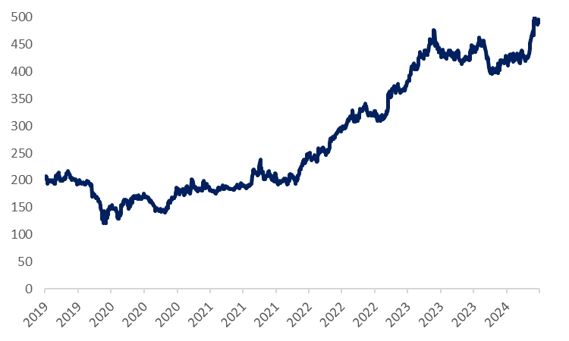
Total Sales |  | 49388 | 49257 | 60645 | 70919 | 70866
Sales Growth (y-o-y) |  | 2.17% | -0.26% | 23.12% | 16.94% | -0.07%
Gross Profit Margins(%) |  | 56.59% | 51.87% | 49.65% | 53.07% | 54.76%
EBIDTA Margins(%) |  | 39.17% | 34.64% | 34.01% | 36.24% | 37.02%
EBIT Margins(%) |  | 35.84% | 31.30% | 31.15% | 33.69% | 34.45%
Net Profit Mrgins(%) |  | 30.99% | 26.72% | 25.13% | 27.06% | 28.87%
Earning Per Shares(in rupees) |  | 8.0370364209 | 7.7413675978 | 8.4704875117 | 9.2354334128 | 10.272241528
Earning Growth (y-o-y) |  | 21.22% | -14.13% | 15.68% | 24.85% | 6.12%
Divident Per Share |  | 10.149997559 | 10.75 | 11.500004057 | 15.5 | 13.749997998
Dividend Growth (y-o-y) |  | 76.52% | 5.91% | 6.98% | 34.78% | -11.29%

key Financial Ratios |  | Mar-20 | Mar-21 | 31-Mar-22 | 31-Mar-23 | 31-Mar-24 | 0 | Volume Chart
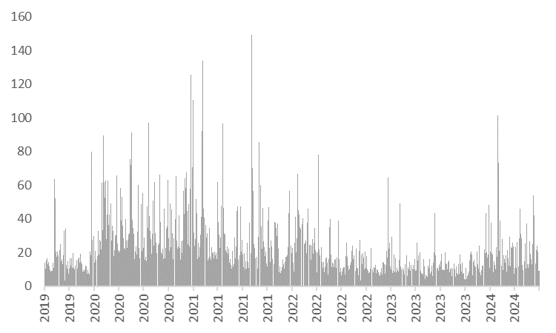
Price to Earning |  | 13.79x | 20.43x | 20.26x | 24.83x | 26.14x
Ev/EBITDA |  | 10.55x | 15.50x | 14.76x | 18.36x | 20.12x
EV/Sales |  | 4.13x | 5.37x | 5.02x | 6.66x | 7.45x
Price to BV |  | 3.23x | 4.46x | 4.95x | 6.89x | 7.18x
Return of Equity(%) |  | 23.45% | 21.81% | 24.41% | 27.75% | 27.46%
Return to Capital Employed |  | 32.26% | 28.53% | 33.73% | 39.33% | 37.73%

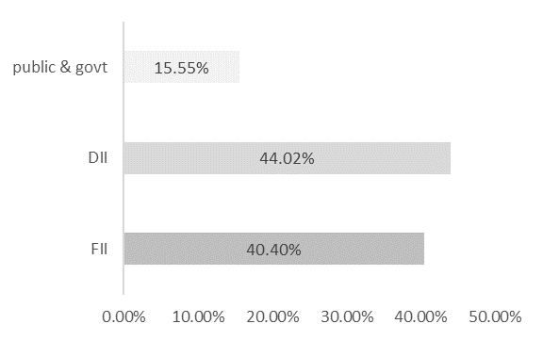
Top Ten Shareholders |  | Total Shares Held |  | Holding(%) | Market value |  |  | Shareholder Pattern
Tobacco Manufacturers (India) Limited |  | 254 |  | 20.37% | 120848
Life Insurance Corporation of India |  | 190 |  | 15.20% | 90196
Specified Undertaking of the Unit Trust of India |  | 97 |  | 7.81% | 46339
Myddleton Investment Company Limited |  | 49 |  | 3.90% | 23124
GQG Partners Emerging Markets Equity Fund |  | 22 |  | 1.78% | 10586
General Insurance Corporation of India |  | 22 |  | 1.74% | 10318
The New India Assurance Company Limited |  | 18 |  | 1.47% | 8751
SBI Nifty 50 ETF |  | 17 |  | 1.35% | 7982
Rothmans International Enterprises Limited |  | 15 |  | 1.24% | 7368
Goldman Sachs Trust II |  | 14 |  | 1.13% | 6720

Managerial Remunerations | Designation | Remuneration |  | X of Median Salary |  |  |  | Capital Structure
 |  |  |  |  |  |  |  | Share Price as on xxx |  | 494.35
S Puri | CMD | 326:1 |  | 326x |  |  |  | No. of Shares Outstanding | O/S | 1250.6644685
N. Anand | Exe.Director | 144:1 |  | 144x |  |  |  | Market Capitalization |  | 618265.98
S.Dutta | ED &CFO | 88:1 |  | 188x |  |  |  | Less: Cash & equivalent |  | (7,218)
B.sunant | ED | 152:1 |  | 152x |  |  |  | Add:Debt |  | 303.43
 |  |  |  |  |  |  |  | Add:Preference Share Capital
 |  |  |  |  |  |  |  | Add:Minority Interest |  | 385
 |  |  |  |  |  |  |  | Enterprise Value |  | 613481.24447

Recent Updates

ITC-Owned Yoga Bar enters babyfood segment under the brand named yoga baby
ITC has built D2C capabilities for its premium brand like Dermafigue,Engagemnd Figma to meet the demands of new age digital savvy customer.
ITC has invested in Mother Sparsh a premiun ayuvedic and natural personal care satartup and mylo a content community commerce plateform for
mother and babycare.
ITC's brands have also been leading the way in incorporating recycled materials in their packages to tackle the challenge of plastic waste.

Sources
Screener, Mastersequity ,Yahoofinance, Director's report,Annual report 2024
Prepared by: Shafaq Munawar

